Def_1
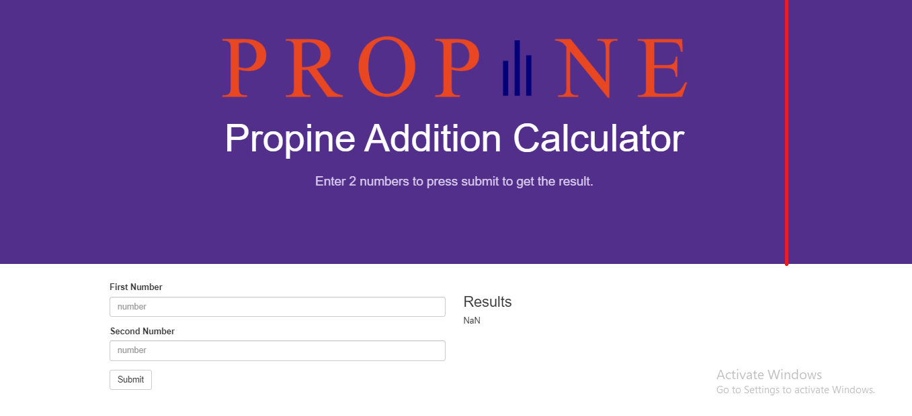
Web page header height is too much

Def_2
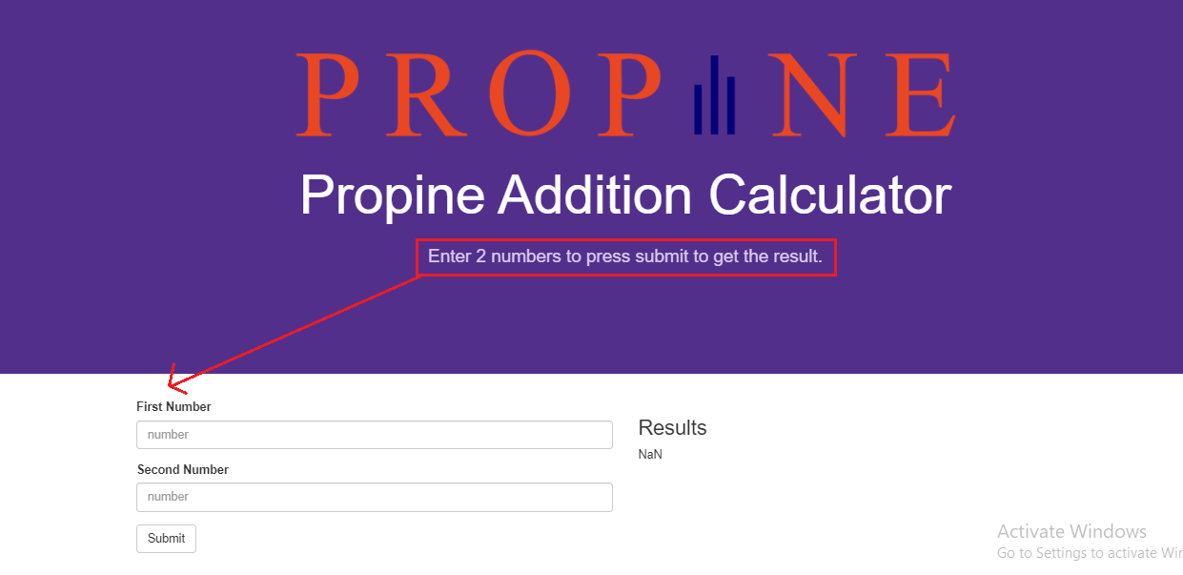
Instruction line is incorrect placement on web page

Def_3
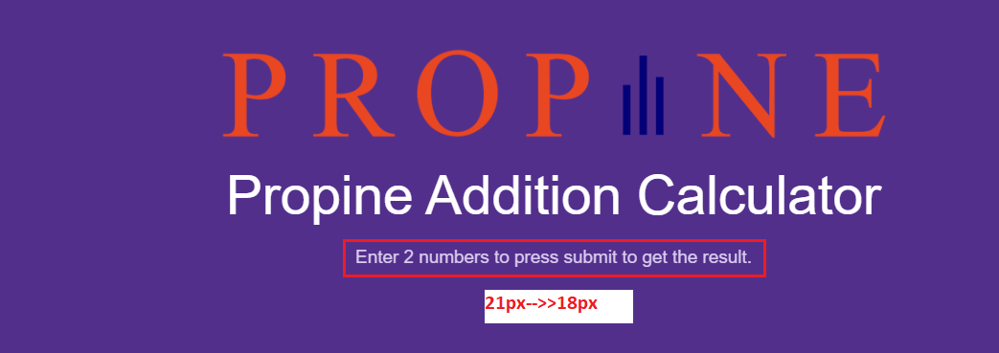
[Suggestion] Instruction line font size is too large

Def_9
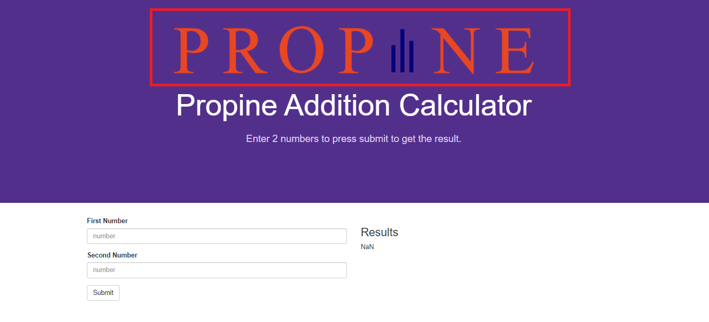
[Suggestion]:Customer logo size is too much

Def_10
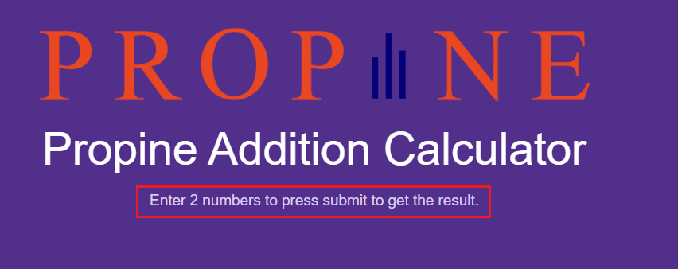
[Suggestion]: Change Instruction line wording order

